Sheet1
File: Jack's Branch-Cross Sections-Station-Elevation 03-18-13_rcopp.xlsx

Jack's Branch Cross Section Data (Glades and Hendry Counties)
Datum: NAVD88
Date of Field work: 03-11-13 thru 03-16-13

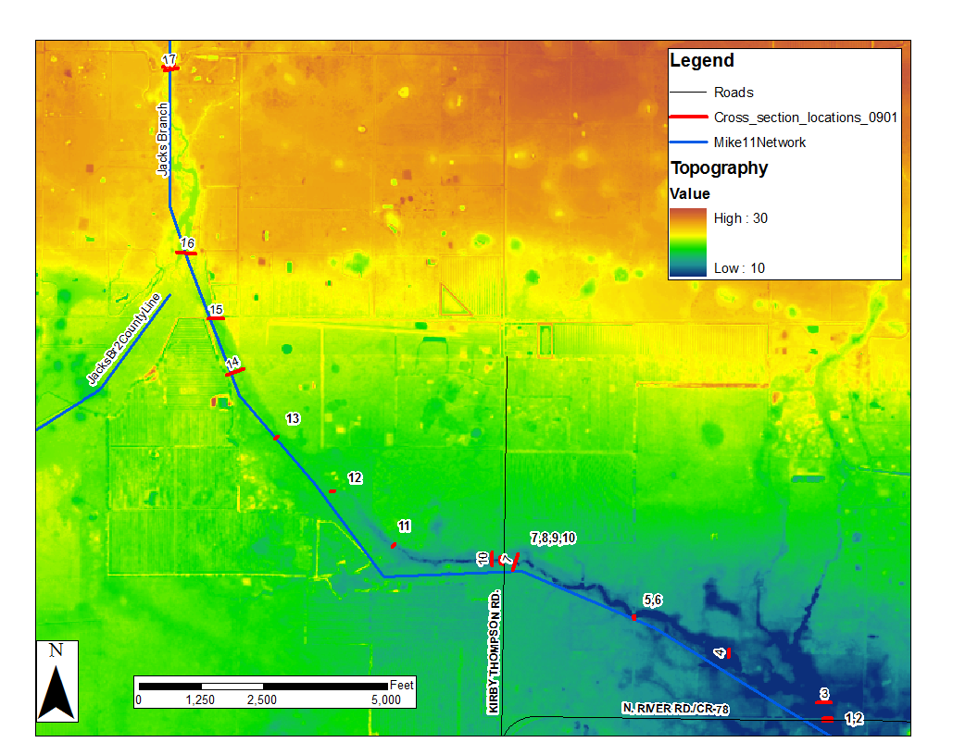
Cross Section 1
Station | Elevation | Description
0.00 | 12.39
27.22 | 12.52
45.01 | 12.05
51.62 | 9.34
59.92 | 5.01
71.66 | 4.41
77.09 | 2.93
81.19 | 0.05
87.17 | -2.32
97.97 | -4.26
107.91 | -3.97
117.55 | -3.08
125.85 | -1.97
134.72 | -1.92
142.73 | 0.11
149.30 | 2.37
153.51 | 4.16
164.20 | 4.89
172.71 | 8.93
180.11 | 11.96
199.04 | 12.18
215.61 | 12.55

60.84 | 11.47 | Bridge-Low Beam
171.42 | 11.45 | Bridge-Low Beam
47.81 | 12.70 | Bridge-Deck
56.02 | 12.89 | Bridge-Deck
113.67 | 12.66 | Bridge-Deck
122.40 | 12.85 | Bridge-Deck
180.08 | 12.68 | Bridge-Deck
188.52 | 12.87 | Bridge-Deck

Cross Section 2

0.00 | 12.45
29.12 | 12.45
47.75 | 11.93
56.08 | 8.03
62.50 | 4.89
70.78 | 4.28
76.50 | 2.08
84.55 | 0.33
90.44 | -2.02
98.03 | -2.94
107.44 | -4.12
117.09 | -4.12
126.36 | -3.51
135.48 | -1.80
141.89 | -1.58
145.15 | 1.17
148.67 | 2.90
152.97 | 4.28
170.69 | 5.09
176.85 | 10.03
182.61 | 12.24
189.74 | 12.44
200.81 | 12.31
231.49 | 12.45

47.45 | 12.70 | Bridge-Deck
113.95 | 12.63 | Bridge-Deck
179.71 | 12.67 | Bridge-Deck
61.58 | 11.46 | Bridge-Low Beam
176.51 | 11.31 | Bridge-Low Beam

Cross Section 3

0.00 | 8.01
59.97 | 6.82
108.56 | 6.91
142.32 | 6.44
174.47 | 5.08
181.33 | 3.50
183.40 | 0.16
184.88 | -1.52
190.55 | -3.66
193.06 | -4.48
212.54 | -3.69
217.92 | 1.24
223.01 | 4.27
246.77 | 5.15
260.90 | 5.34
270.75 | 7.14
303.18 | 7.00
308.17 | 6.69

Cross Section 4

0.00 | 10.60
39.34 | 10.39
62.23 | 10.85
78.52 | 9.57
85.66 | 4.92
90.07 | 1.61
95.57 | -4.38
101.70 | -0.78
111.43 | -1.43
117.78 | -0.54
118.71 | 4.33
120.63 | 5.29
123.84 | 10.28
128.38 | 12.38
133.17 | 11.91
149.98 | 8.12
177.36 | 7.19
212.01 | 8.52

Cross Section 5

0.00 | 14.50 | Wall
0.17 | 6.22
6.62 | 2.98
10.15 | 2.82
14.84 | 2.52
20.06 | 2.82
24.15 | 2.87
27.33 | 14.63 | Wall

1.14 | 13.68 | Bridge-Low Beam
14.05 | 13.69 | Bridge-Low Beam
0.17 | 14.84 | Bridge-Deck
27.02 | 14.71 | Bridge-Deck

Cross Section 6

0.00 | 15.23 | Wall
1.85 | 6.54
11.24 | 3.46
15.36 | 2.65
21.17 | 2.35
26.04 | 2.68
26.70 | 13.12 | Wall
27.96 | 13.11
59.03 | 13.67

0.26 | 14.93 | Bridge-Deck
0.94 | 13.78 | Bridge-Low Beam
14.14 | 13.66 | Bridge-Low Beam
26.64 | 14.93 | Bridge-Deck
26.38 | 13.71 | Bridge-Low Beam

Cross Section 7

0.00 | 14.03
35.70 | 14.65
75.28 | 14.82
126.34 | 15.07
155.28 | 14.35
158.67 | 13.41
172.47 | 11.51
177.12 | 9.52
182.42 | 8.56
191.39 | 5.88
194.73 | 5.25
199.72 | 5.47
201.93 | 6.58
205.22 | 8.69
207.94 | 11.93
214.64 | 13.43
238.52 | 14.29
276.05 | 15.25
315.73 | 15.90
353.19 | 16.95

Cross Section 8

0.00 | 18.50
32.89 | 18.96
53.77 | 18.22
61.08 | 15.30
66.85 | 12.69
72.24 | 9.63
76.06 | 9.03
81.12 | 6.35
84.54 | 6.40
89.66 | 6.52
90.87 | 9.10
101.60 | 10.89
108.21 | 14.35
114.15 | 16.26
118.16 | 18.57
132.34 | 18.88
155.32 | 18.42

59.13 | 19.39 | Bridge-Deck
60.87 | 17.55 | Bridge-Low Beam
86.82 | 19.26 | Bridge-Deck
112.46 | 17.52 | Bridge-Low Beam
114.20 | 19.36 | Bridge-Deck

Cross Section 9
 | Cross Section 10 |  | Cross Section 9 |  | Cross Section 8
0.00 | 16.37 | 0.00 | 18.30 | 0.00 | 18.50
42.87 | 16.19 | 25.67 | 18.68 | 32.89 | 18.96
84.70 | 15.78 | 42.39 | 18.98 | 53.77 | 18.22
133.54 | 14.61 | 48.50 | 16.07 | 61.08 | 15.30
183.06 | 13.32 | 55.30 | 12.54 | 66.85 | 12.69
191.07 | 10.33 | 61.34 | 8.62 | 72.24 | 9.63
196.33 | 7.85 | 64.69 | 8.61 | 76.06 | 9.03
204.87 | 4.41 | 68.20 | 7.73 | 81.12 | 6.35
214.11 | 3.64 | 73.93 | 7.56 | 84.54 | 6.40
220.30 | 7.96 | 77.98 | 7.50 | 89.66 | 6.52
226.21 | 10.12 | 82.74 | 9.25 | 90.87 | 9.10
244.12 | 12.24 | 88.30 | 9.83 | 101.60 | 10.89
269.35 | 13.69 | 92.90 | 12.58 | 108.21 | 14.35
313.01 | 14.59 | 100.03 | 15.89 | 114.15 | 16.26
367.63 | 14.02 | 105.60 | 18.99 | 118.16 | 18.57
 |  | 122.30 | 18.97 | 132.34 | 18.88
 |  | 144.63 | 18.37 | 155.32 | 18.42
0.00 | 18.30
25.67 | 18.68
42.39 | 18.98
48.50 | 16.07
55.30 | 12.54
61.34 | 8.62
64.69 | 8.61
68.20 | 7.73
73.93 | 7.56
77.98 | 7.50
82.74 | 9.25
88.30 | 9.83
92.90 | 12.58
100.03 | 15.89
105.60 | 18.99
122.30 | 18.97
144.63 | 18.37

101.61 | 19.05 | Bridge-Deck |  | ft-NGVD
46.49 | 19.12 | Bridge-Deck |  | 20.39
74.37 | 19.32 | Bridge-Deck
94.07 | 17.58 | Bridge-Low Beam |  | 18.85
48.26 | 17.55 | Bridge-Low Beam

Cross Section 10

0.00 | 16.37
42.87 | 16.19
84.70 | 15.78
133.54 | 14.61
183.06 | 13.32
191.07 | 10.33
196.33 | 7.85
204.87 | 4.41
214.11 | 3.64
220.30 | 7.96
226.21 | 10.12
244.12 | 12.24
269.35 | 13.69
313.01 | 14.59
367.63 | 14.02

Cross Section 11

0.00 | 14.01
22.58 | 14.28
28.27 | 11.15
32.77 | 10.47
40.62 | 10.30
44.84 | 11.12
50.55 | 13.51
64.09 | 14.26

Cross Section 12

0.00 | 16.89
18.19 | 16.18
22.78 | 15.29
25.80 | 15.31
28.90 | 16.05 |  | Cross Section 13
45.24 | 15.95
77.52 | 15.66 |  | 0.00 | 17.90
 |  |  | 16.21 | 17.83
 |  |  | 23.00 | 16.74
 |  |  | 33.48 | 16.65
 |  |  | 37.75 | 17.45
 |  |  | 45.90 | 17.59
 |  |  | 58.25 | 17.02

Cross Section 14

0.00 | 19.00
10.93 | 17.91
22.29 | 18.12
46.99 | 18.76
51.60 | 17.51
57.48 | 17.51
69.34 | 18.46
80.93 | 19.05
112.71 | 19.56
143.22 | 19.84
181.70 | 20.04
216.82 | 20.28
232.06 | 20.69
243.96 | 25.15
252.20 | 25.19
257.83 | 20.76

Cross Section 15

0.00 | 21.75
39.05 | 21.53
69.08 | 21.26
85.51 | 21.02
93.40 | 19.91
99.99 | 19.55
116.79 | 18.50
120.92 | 17.00
125.35 | 17.15
129.35 | 18.13
133.52 | 18.13
139.67 | 19.50
155.49 | 19.21
175.40 | 19.31
206.46 | 19.33
242.80 | 18.95
278.81 | 20.02
318.21 | 20.53

Cross Section 16

0.00 | 21.24
34.44 | 21.72
60.67 | 22.31
72.92 | 21.23
84.62 | 17.68
94.59 | 17.31
110.46 | 18.00
128.33 | 18.45
146.41 | 18.02
163.10 | 17.93
173.40 | 18.14
186.15 | 19.63
194.06 | 20.80
217.05 | 20.74
232.22 | 19.55
253.21 | 19.37
270.46 | 20.58
298.76 | 21.35

Cross Section 17

0.00 | 29.06
20.00 | 29.31
26.94 | 26.59
27.96 | 21.86
33.79 | 18.45
38.86 | 16.16
44.71 | 16.27
49.30 | 16.40
53.75 | 17.48
58.23 | 18.34
59.07 | 26.80 | Concrete
59.70 | 26.74 | Concrete
60.03 | 26.06
63.69 | 26.50
68.35 | 28.55
94.71 | 27.47

31.12 | 27.01 | Bridge-Low Beam
59.47 | 26.76 | Bridge-Low Beam
17.30 | 29.34 | Bridge-Deck
68.22 | 28.88 | Bridge-Deck
42.31 | 29.16 | Bridge-Deck

Cross Section 18

0.00 | 28.94 | 69.77 | 28.77 | Bridge-Deck
18.33 | 29.20 | 42.97 | 28.90 | Bridge-Deck
27.87 | 26.84 | 18.33 | 29.05 | Bridge-Deck
28.88 | 20.15 | 61.47 | 26.53 | Low Beam
33.89 | 19.09
40.53 | 18.62
45.01 | 16.44
48.71 | 16.10
55.15 | 16.92
58.55 | 17.73
59.60 | 26.57
64.30 | 26.73
69.67 | 28.88
95.80 | 27.45

