TABLES FOR GRAPHS
Date | TKN | NH3 | blank1 | blank2 | blank3 | NO2/NO3
2014-03-25 | 0.75 | 0.31 |  |  |  | 0.004
2014-07-02 | 0.67 | 0.25 |  |  |  | 0.004
2014-10-08 | 0.76 | 0.26 |  |  |  | 0.004
2015-01-14 | 0.71 | 0.3 |  |  |  | 0.004

Date | TKN | NH3 | NO2/NO3
2014-03-25 | 1 | 0.3 | 0.16
2014-07-02 | 1 | 0.29 | 0.63
2014-10-08 | 0.69 | 0.038 | 0.24
2015-01-14 | 0.69 | 0.033 | 1.7

HC1B
 | TKN | NH3 | blank1 | blank2 | blank3 | NO2/NO3
3/25/2014 | 0.75 | 0.31 |  |  |  | 0.004
7/2/2014 | 0.67 | 0.25 |  |  |  | 0.004
10/8/2014 | 0.76 | 0.26 |  |  |  | 0.004
1/14/2015 | 0.71 | 0.3 |  |  |  | 0.004

 | Date | tp
 | 2014-03-25 | 0.025
 | 2014-07-02 | 0.021
 | 2014-10-08 | 0.035
 | 2015-01-14 | 0.03

364725

HENDRY GRAPHS
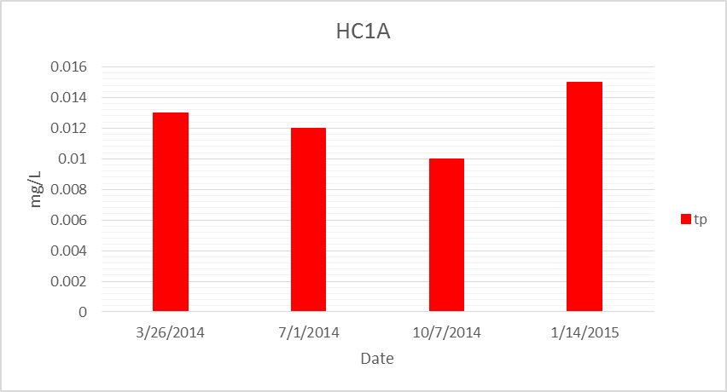
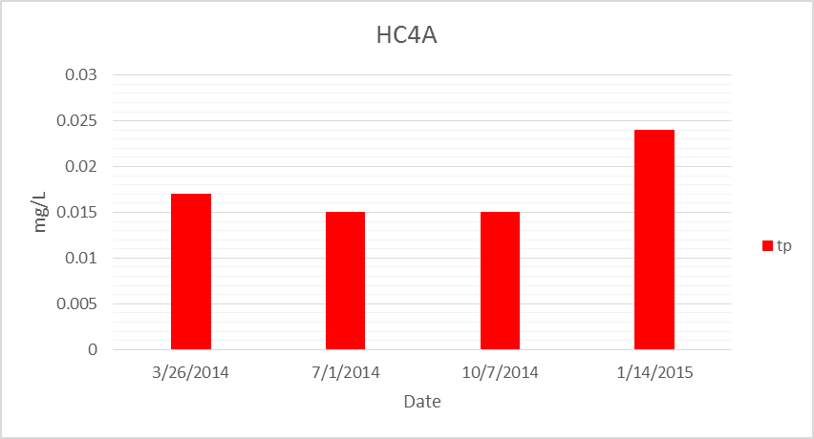

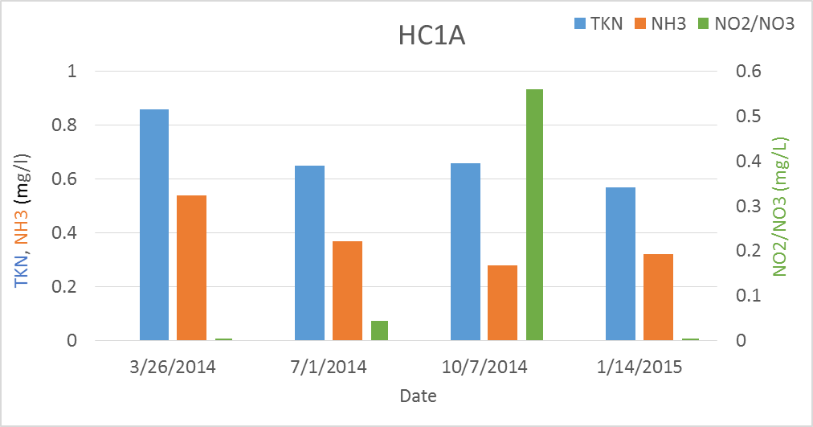
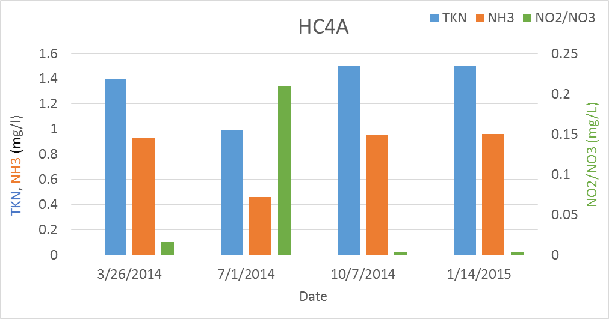

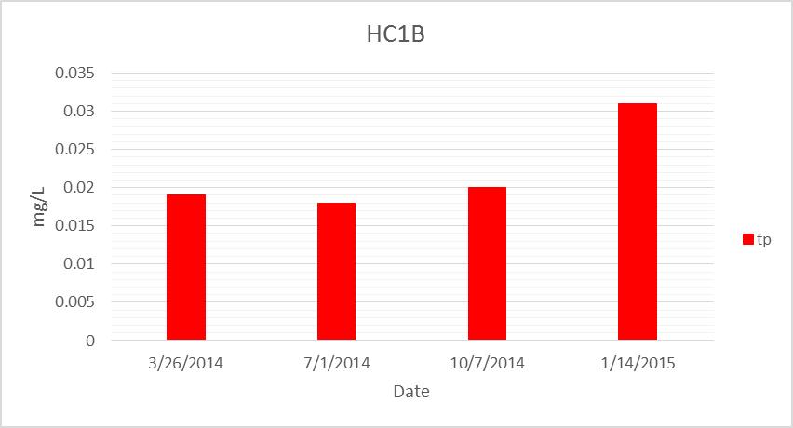
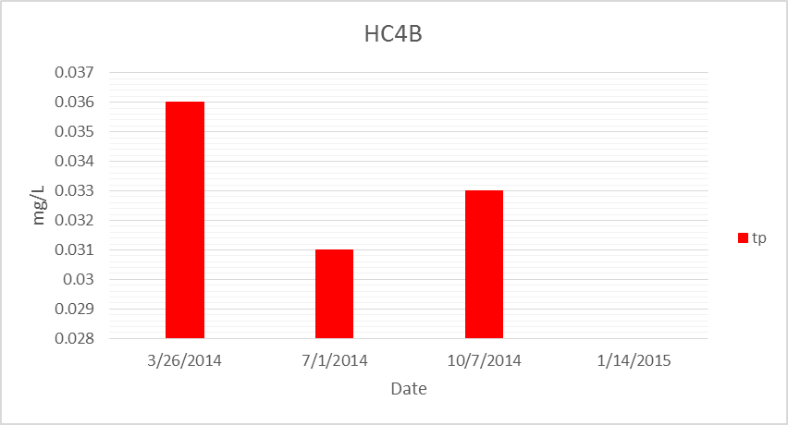

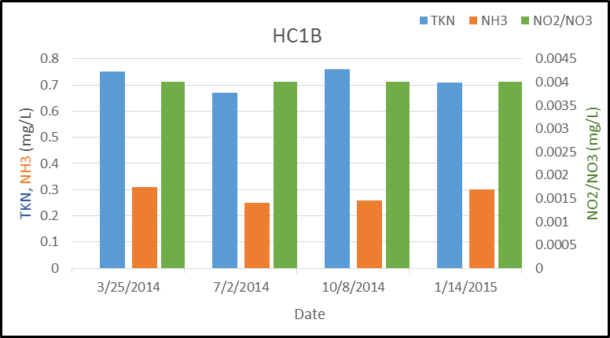
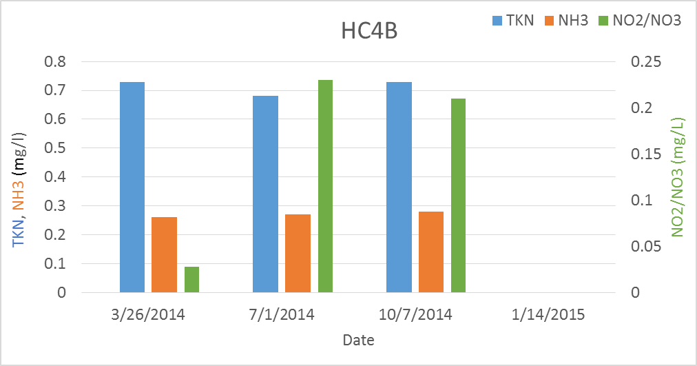

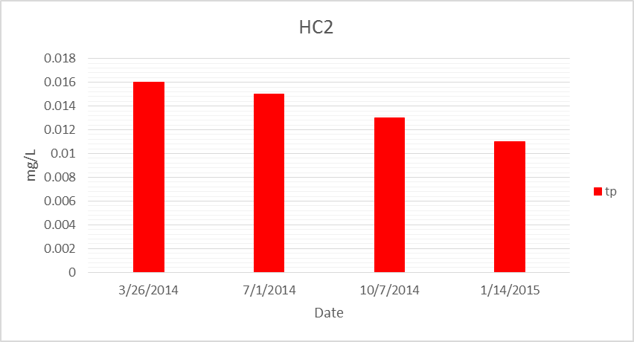
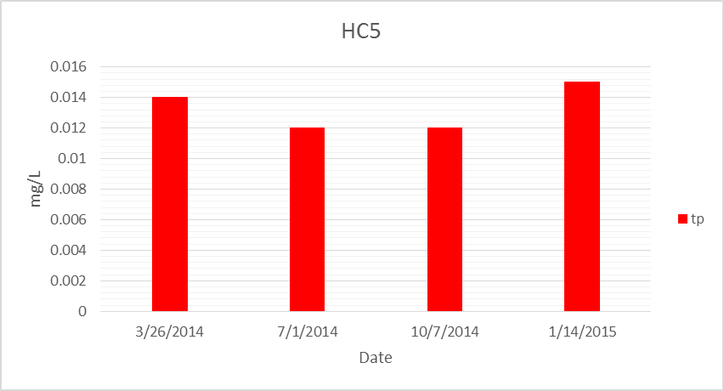

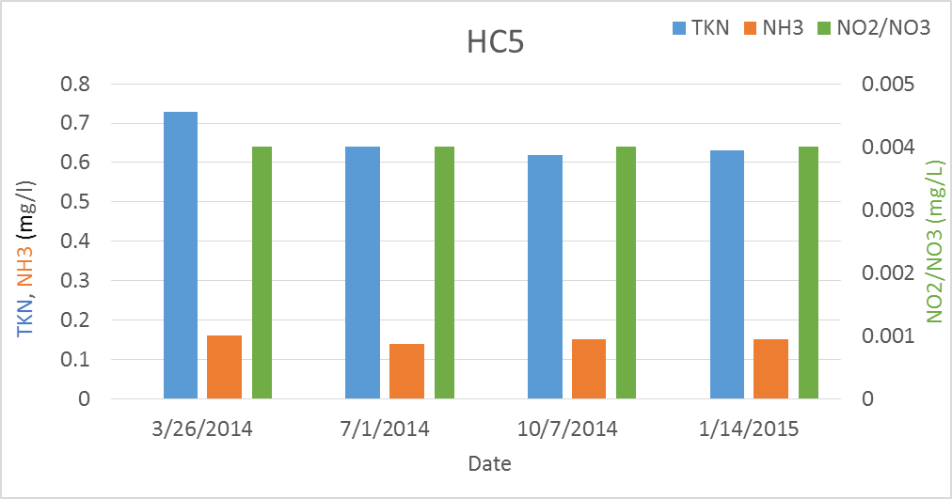
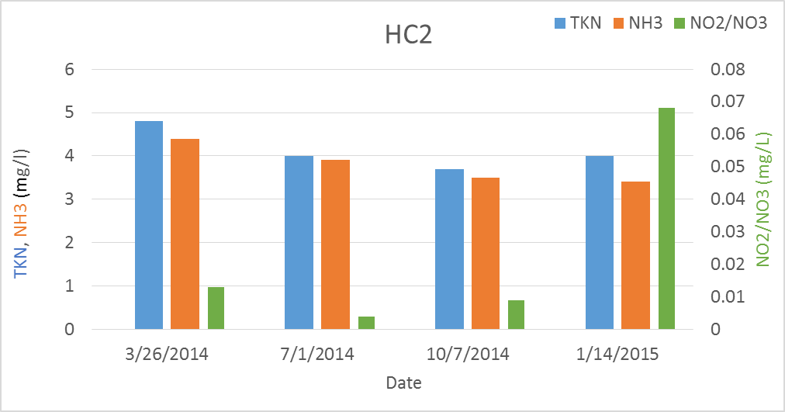

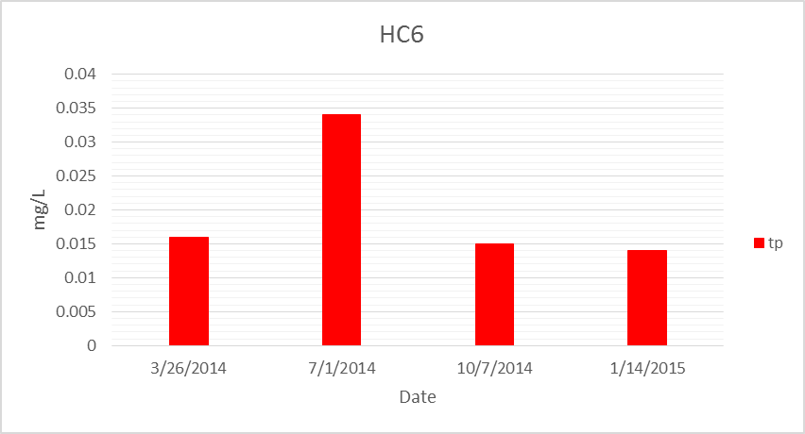
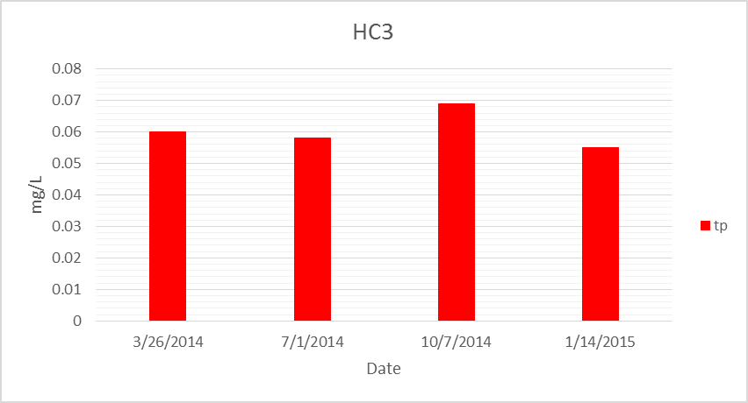

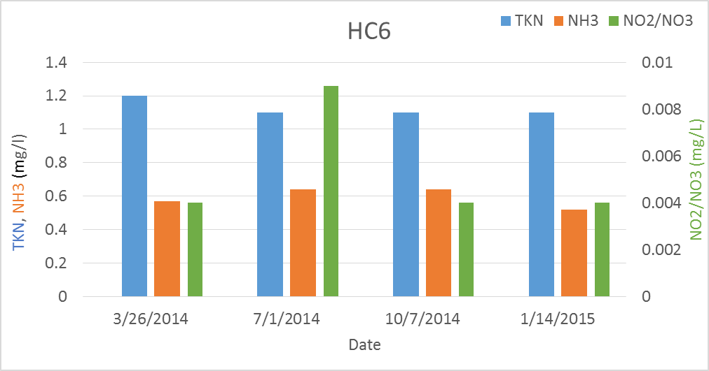
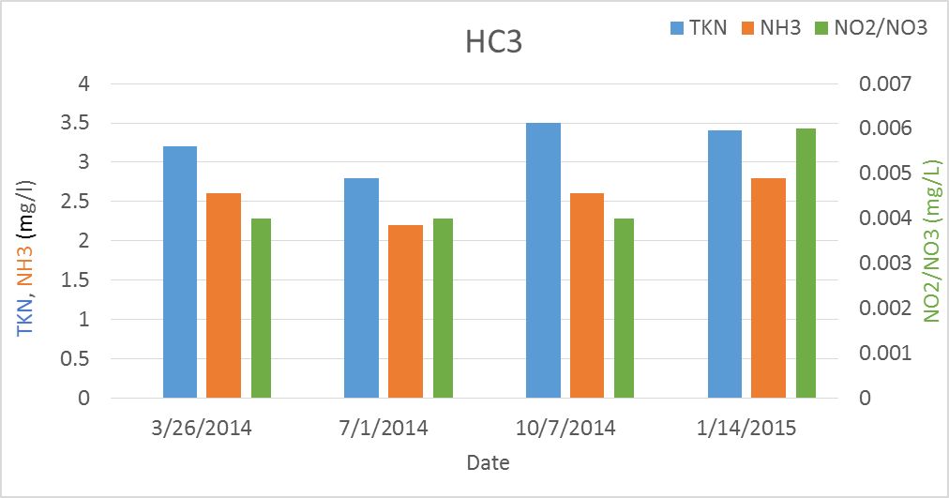

IMPERIAL GRAPHS
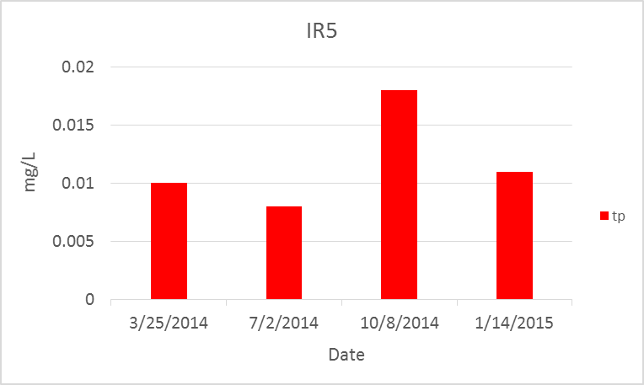
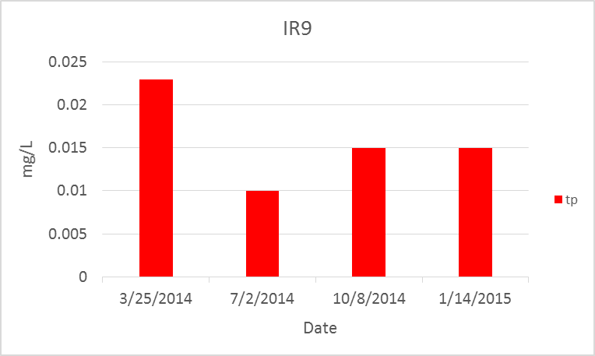

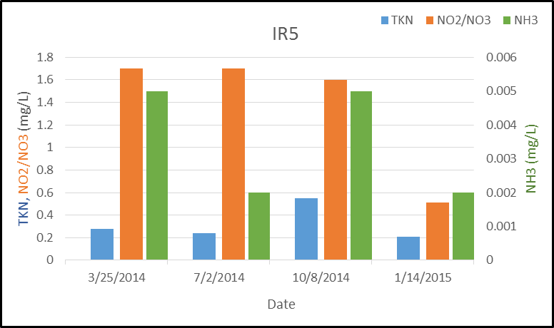
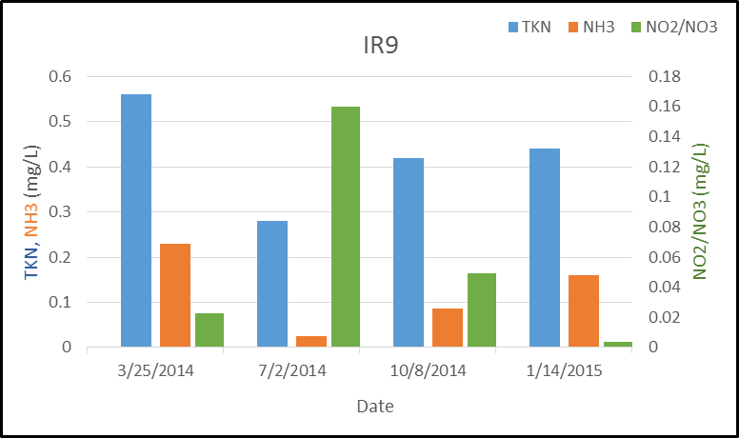

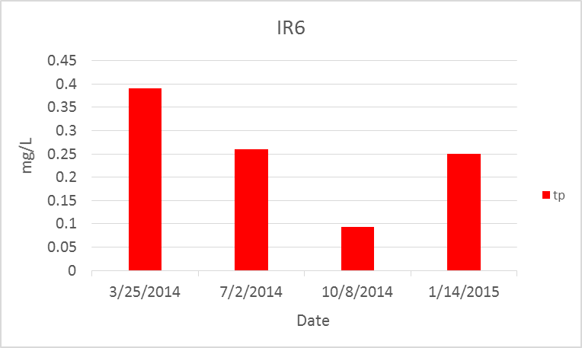
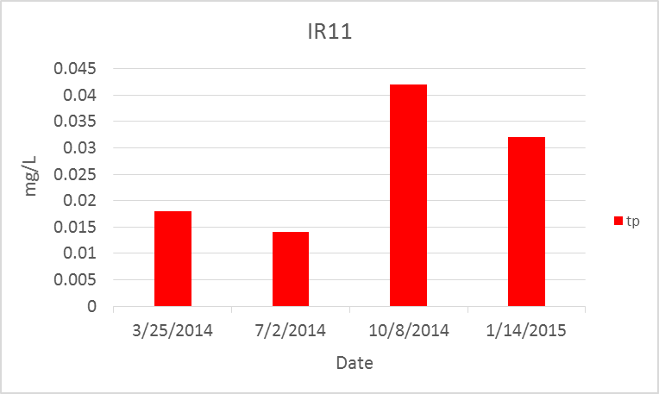

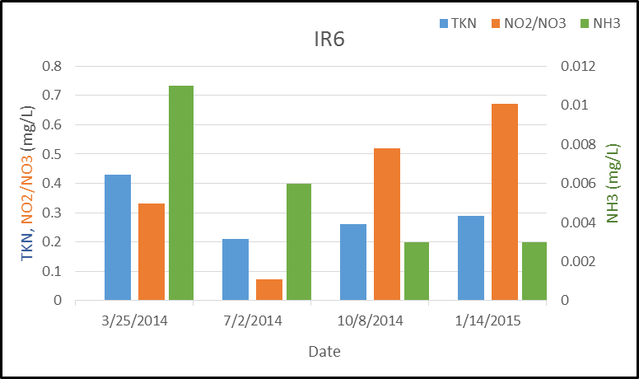
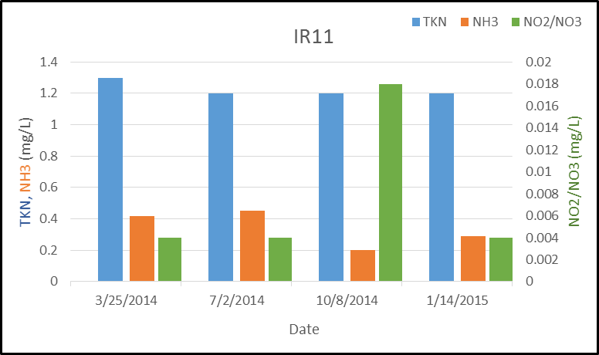

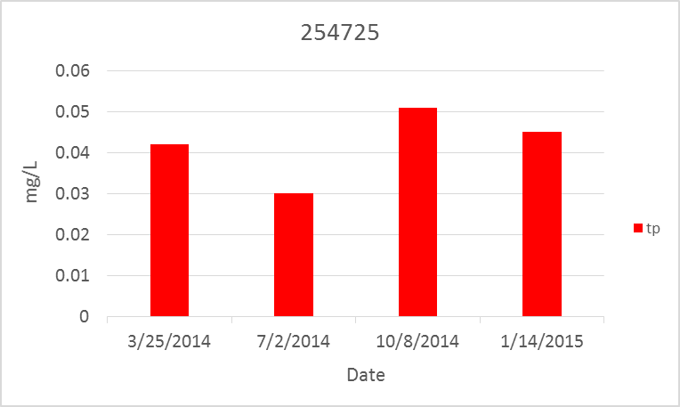
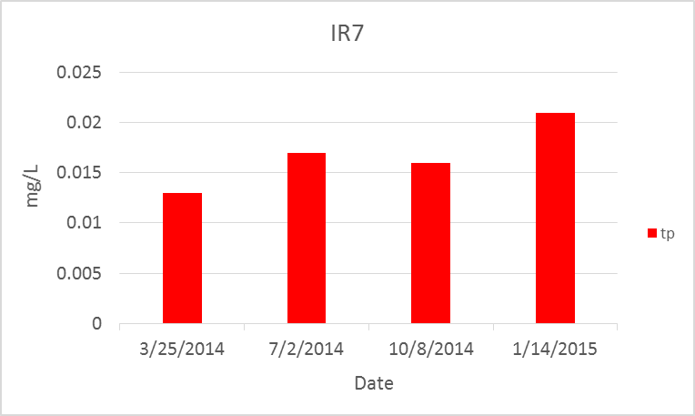

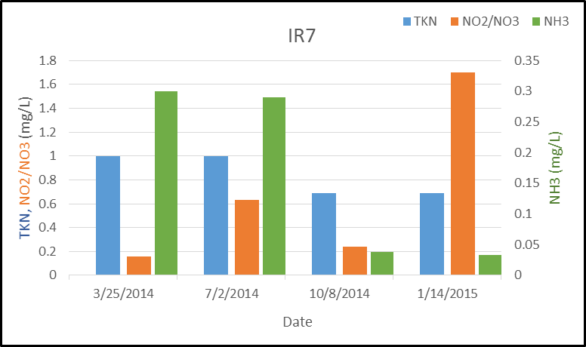
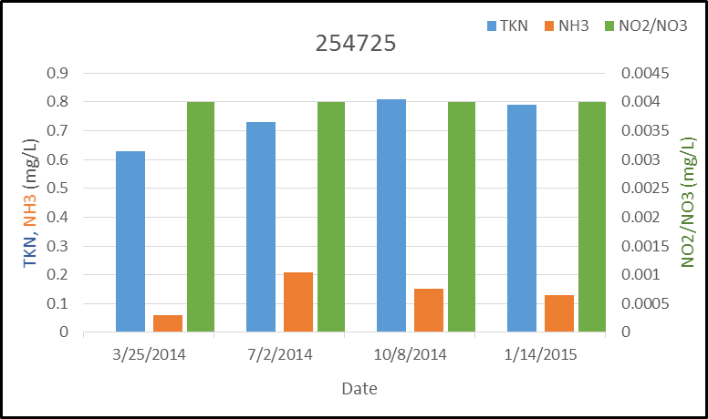

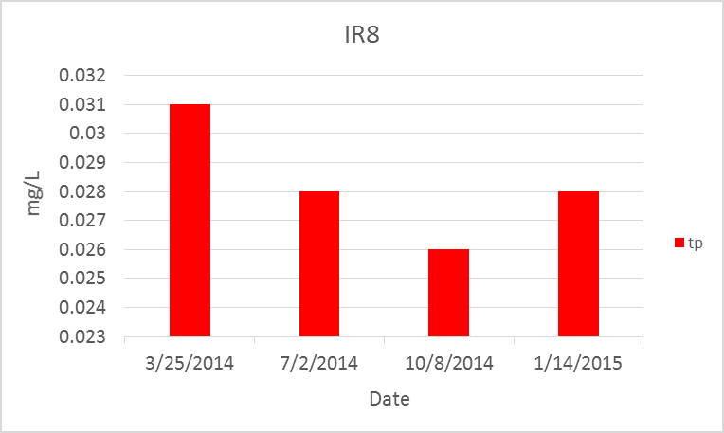
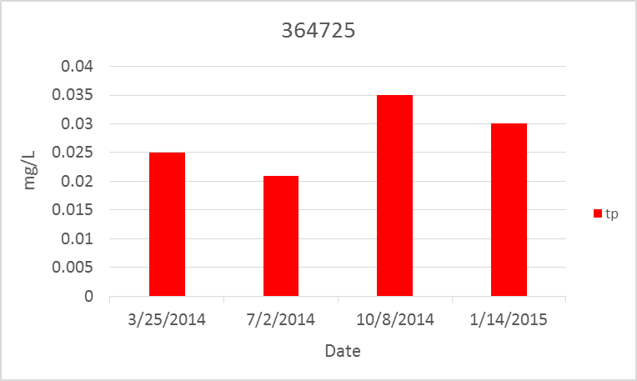

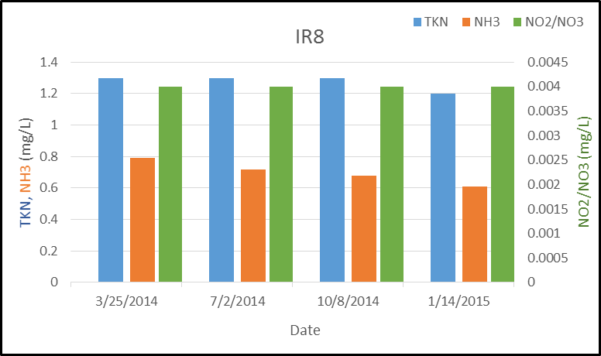
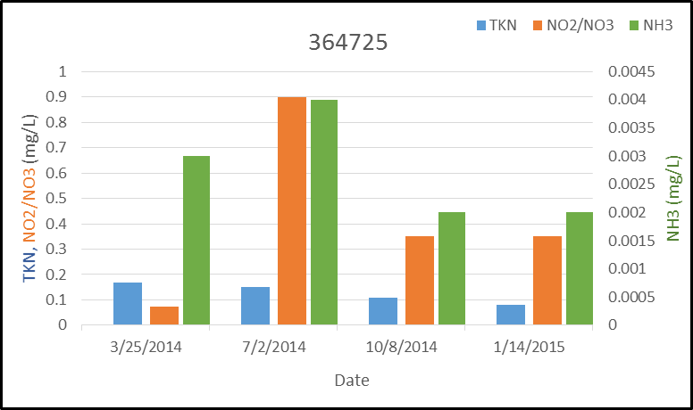

CHLORIDE GRAPHS
Date | DO | Temp | Sp. Cond | Date | Specific Conductance | Chloride
2014-03-25 | 12.50 | 21.80 | 1118 | 2014-03-25 | 1442 | 180
2014-07-02 | 3.10 | 30.50 | 1125 | 2014-07-02 | 1481 | 170
2014-10-08 | 15.50 | 28.60 | 1170 | 2014-10-08 | 1428 | 190
2015-01-14 | 11.50 | 22.70 | 1066 | 2015-01-14 | 1493 | 190

HC5

