Nash Source Notes
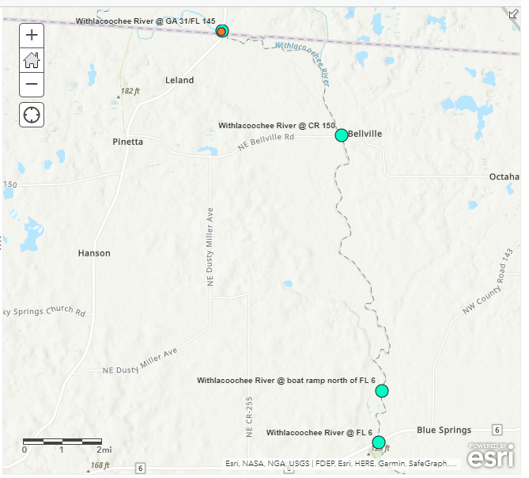
 | Hits in # samples of # samples total. | # Dates with hits | Quick notes | \\Fldep1\Dear_Common\FIB Dream Team\Withlacoochee River Bacteria Workgroup
BacR | 36/85(49 U) | 8 | Some days multiple sites were positive for Ruminant waste.
DG3 | 0/85(85 U) |  | No samples of 85 were positive for dog waste.
GFD | 16/85(U) | 8 | 16 samples were positive for GFD (bird waste).
GULL2 | 0/85(85 U) |  | No samples of 85 were positive for GULL2, gull waste.

 |  |  | BAC R Hits Summary of site positives repetition.
 |  |  | 10 | Withlacoochee River At CR 150
 |  |  | 10 | Withlacoochee River at GA 31
 |  |  | 4 | Suwannee River @ US 90
 |  |  | 7 | Withlacoochee @ FL 6
 |  |  | 1 | FL 1451 GAB1
 |  |  | 1 | Withlacoochee @ CR 141
 |  |  | 1 | Suwannee River At CR 250
 |  |  | 1 | FL HWY 145 - Bridge Madison FL 32340
 |  |  | 1 | Suwannee River At CR 250
 |  |  | GFD Hits Summary of site positives repetition.
Acetaminophen | 2 hits |  | 7 | Withlacoochee River @ GA 31
Carbamazepine | 65/76(2U) |  | 4 | Withlacoochee River @ CR 150
HF183-qPCR |  |  | 1 | Withlacoochee River at FL 6
Hydrocodone |  |  | 2 | Suwannee River at US 90
Ibuprofen |  |  | 2 | Withlacoochee @ CR 141
Naproxen |  |  | Acetaminophen
Sucralose | 92/92 (0 U) |  | 1 | 150
 |  |  | 1 | 6
 |  |  | HF-183
 |  |  | 2 | Withlacoochee River At CR 150
 |  |  | 2 | Withlacoochee River At FL 6
 |  |  | 1 | Withlacoochee River At GA 31

