CB-04
ProjectNumber | Name | Inches of Retention | Percent DCIA | NDCIA Curve Number | TP and TN % Reduction (From Removal Efficiencies Table Stormwater Handbook) | TN Loading | TP Loading | TN Reduction Estimate | TP Reduction Estimate | Notes
CB-04 | Cottage Row Parking Facilities Lot | 4.60 | 67% | 92 | 98% |  |  | 0.00 | 0.00

LU_CODE (from GIS) | LU_DESC (from GIS) | LU_TYPE (from GIS) | Acres (from GIS) | Weight of acreage | Recommended % Impervious | Weighted Impervious | % Impervious | Acres Impervious | Non-DCIA Impervious Acres | DCIA | Pervious | NonDCIA Curve Number | Percent DCIA
1400 | Commercial and Services |  | 0.84571248981 | 31% | 90 | 28.186927081 | 90% | 2.4303008085 | 0.60757520213 | 1.8227256064 | 0.27003342317 | 92 | 67%
1410 | Retail Sales and Services |  | 1.5162548795 | 56% | 90 | 50.535573544
1430 | Professional Services |  | 0.33836686234 | 13% | 90 | 11.277499375
 |  |  |  | 0% |  | 0
 |  |  |  | 0% |  | 0
 |  |  |  | 0% |  | 0
 |  |  |  | 0% |  | 0
 |  |  |  | 0% |  | 0
 |  |  |  | 0% |  | 0
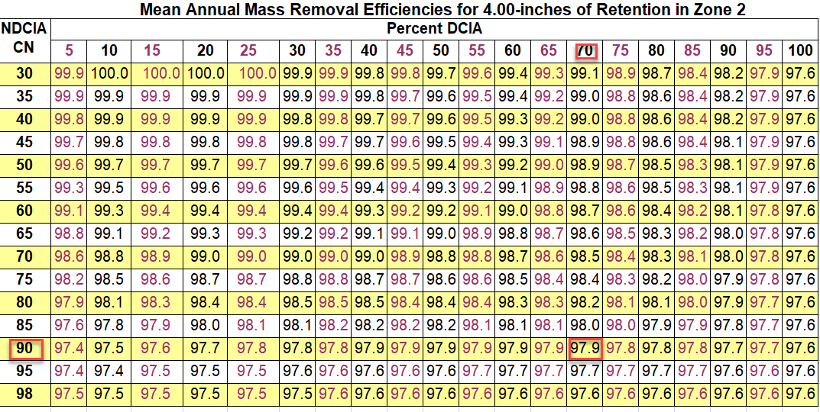
 |  |  |  | 0% |  | 0
 |  |  |  | 0% |  | 0
 |  |  |  | 0% |  | 0
 |  |  |  | 0% |  | 0
 |  |  |  | 0 |  | 0
 |  |  |  | 0 |  | 0
 |  |  |  | 0 |  | 0
 |  |  |  | 0 |  | 0
 |  |  |  | 0 |  | 0
 |  |  |  | 0 |  | 0
 |  |  |  | 0 |  | 0
 |  |  |  | 0 |  | 0
 |  |  |  | 0 |  | 0
 |  |  |  | 0 |  | 0
 |  |  |  | 0 |  | 0
 |  |  |  | 0 |  | 0
 |  |  |  | 0 |  | 0
 |  | Totals/Averages | 2.7003342317 | 100% | 90 | 0.9

