Annual SAV&Algae Monitoring
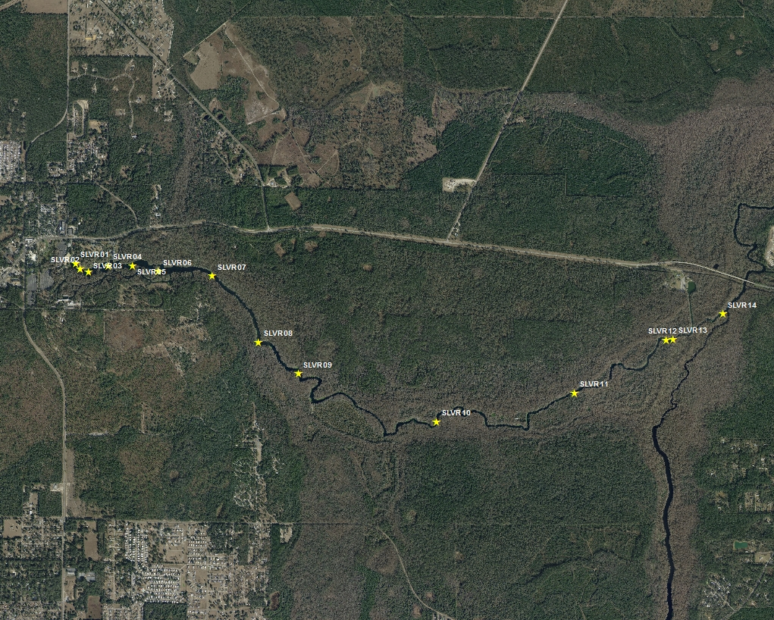
SJRWMD Annual submerged aquatic vegetation (SAV) and algae annually on Silver River (2012 to Present)
Comment | X | Y | OBJECTID | Datum | WGS_84 | SiteID | N | W
SLVR01 | 82° 3' 9.86" W | 29° 12' 57.42" N | 1 | WP | D | slvr1 | 29.21595 | -82.05274
SLVR02 | 82° 3' 8.24" W | 29° 12' 55.84" N | 2 | WP | D | slvr2 | 29.21551 | -82.05229
SLVR03 | 82° 3' 5.29" W | 29° 12' 54.83" N | 3 | WP | D | slvr3 | 29.21523 | -82.05147
SLVR04 | 82° 2' 58.31" W | 29° 12' 56.88" N | 4 | WP | D | slvr4 | 29.2158 | -82.04953
SLVR05 | 82° 2' 49.67" W | 29° 12' 56.92" N | 5 | WP | D | slvr5 | 29.21581 | -82.04713
SLVR06 | 82° 2' 40.42" W | 29° 12' 55.15" N | 6 | WP | D | slvr6 | 29.21532 | -82.04456
SLVR07 | 82° 2' 21.01" W | 29° 12' 53.93" N | 7 | WP | D | slvr7 | 29.21498 | -82.03917
SLVR08 | 82° 2' 4.31" W | 29° 12' 33.26" N | 8 | WP | D | slvr8 | 29.20924 | -82.03453
SLVR09 | 82° 1' 50.02" W | 29° 12' 23.47" N | 9 | WP | D | slvr9 | 29.20652 | -82.03056
SLVR10 | 82° 1' 0.41" W | 29° 12' 8.78" N | 10 | WP | D | slvr10 | 29.20244 | -82.01678
SLVR11 | 82° 0' 11.37" W | 29° 12' 18.19" N | 0 |  |  | slvr11 | 0 | 0
SLVR12 | 81° 59' 38.58" W | 29° 12' 35.14" N | 12 | WP | D | slvr12 | 29.20976 | -81.99405
SLVR13 | 81° 59' 36.10" W | 29° 12' 35.28" N | 0 |  |  | slvr13 | 0 | 0
SLVR14 | 81° 59' 18.45" W | 29° 12' 43.38" N | 0 |  |  | slvr14 | 0 | 0

The SJRWMD monitors SAV and algae annually on the Silver River between April and June. District staff estimate SAV cover by species and algal cover collectively, using 0.25 m2 quadrats and the Braun-Blanquet cover scale:

1 = < 5% cover (trace of vegetation)
2 = 5-25% cover
3 = 25-50% cover
4 = 50-75% cover
5 = 75-100% cover
0 = Bare bottom (no vegetation at all)

