Intro
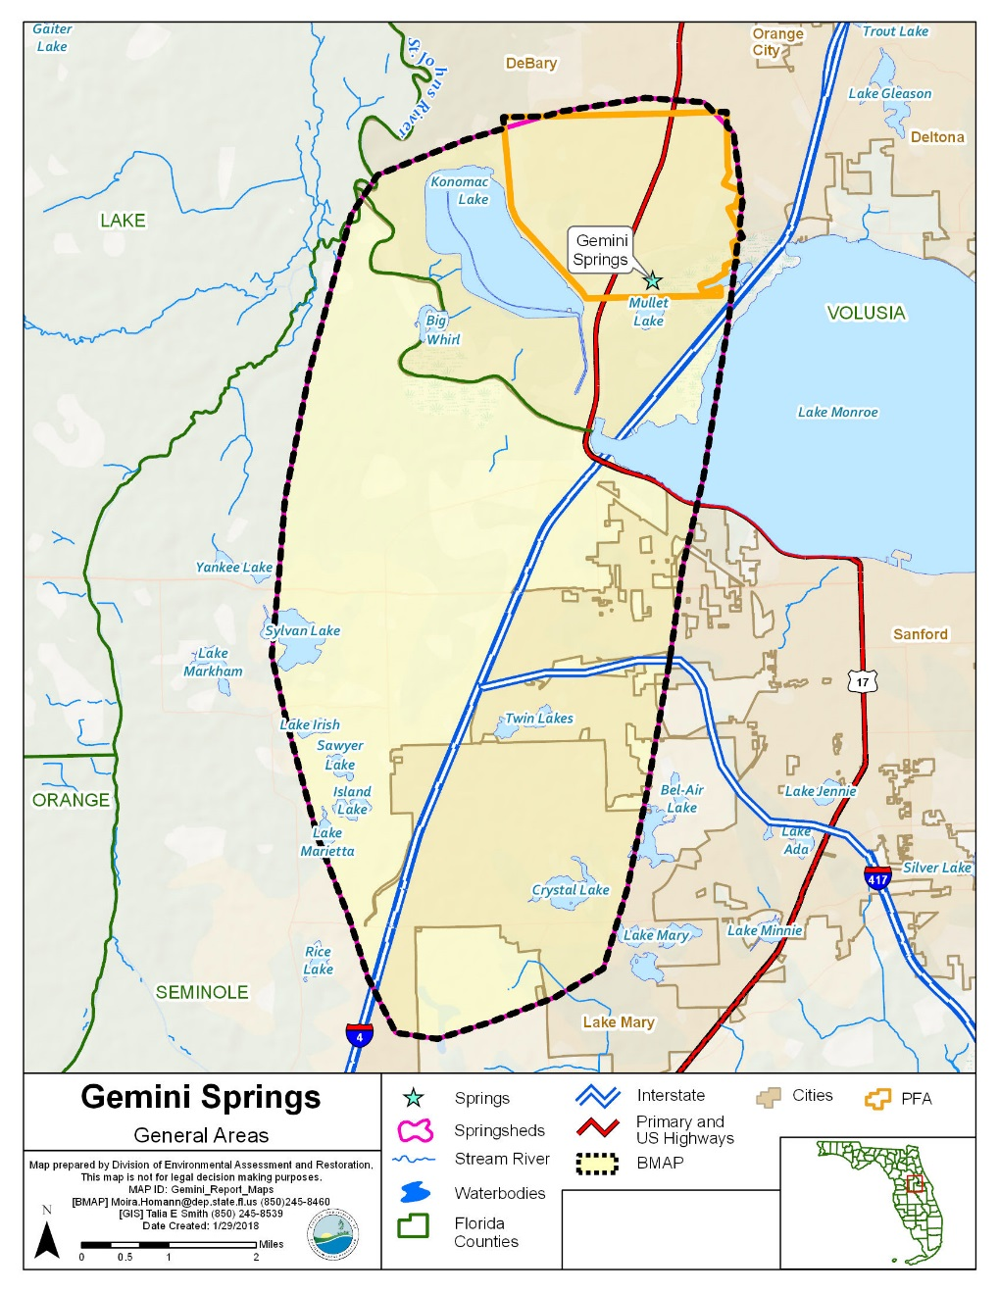
DROPDOWN MENUS
Project Type |  | Project Status | Location | Yes
100% On-site Retention | Structural | Planned | PFA | No
Agricultural BMPs | Non-structural | Underway | Inside Springshed | N/A
Alum Injection Systems | Trade | Completed | Not Provided
Aquatic Vegetation Harvesting |  | Cancelled | TBD
Baffle Boxes- First Generation (hydrodynamic separator)
Baffle Boxes- Second Generation
Baffle Boxes- Second Generation with Media
Biological/ Bacteria Treatment
Biosorption Activated Media (BAM)
Bioswales
BMP Cleanout
BMP Treatment Train
Catch Basin Inserts/Inlet Filter Cleanout
Closed Basin
Control Structure
Creating/ Enhancing Living Shoreline
Creating/ Enhancing Oyster Reefs
Credit Trade
Dairy Remediation
Decommission/ Abandonment
Deep Injection Well
Denitrification Walls
Dispersed Water Management (DWM)
Dry Detention Pond
Education Efforts
Enhanced Public Education
Exfiltration Trench
Exotic Vegetation Removal
Fertilizer Cessation
Fertilizer Reduction
Filter Marsh
Fish Harvesting
Floating Islands/ Managed Aquatic Plant Systems (MAPS)
Floodplain Restoration
Golf Course or Sports Field BMPs
Grass swales with swale blocks or raised culverts
Grass swales without swale blocks or raised culverts
Hybrid wetland treatment technology (HWTT)
Hydrodynamic Separators
Hydrologic Restoration
Impoundment
Industrial Facility Upgrades
Land Acquisition
Land Preservation
Land Use Change
LID- Green Roofs
LID- Other
LID- Rain Gardens
LID- Tree Boxes/Tree Wells
Macroalgal Harvesting
Monitoring/Data Collection
Muck Removal/Restoration Dredging
Natural Wetlands as Filters
Non-contributing Basin
Off-line Retention BMPs
On-line Retention BMPs
Onsite Sewage Treatment and Disposal System (OSTDS) Enhancement
OSTDS Phase Out
Pervious Pavement
Pervious Pavers
Plugging Artesian Wells
Reclaimed Water
Regional Stormwater Treatment
Regulations, Ordinances, and Guidelines
Retention/Detention BMP Retrofit with Nutrient Reducing Media
Retention/Detention BMP with Nutrient Reducing Media
Sanitary Sewer and Wastewater Treatment Facility (WWTF) Maintenance
Sanitary Sewer Inspections
SAV Planting
Shoreline Stabilization
Stormwater Aeration System
Stormwater Reuse
Stormwater System Rehabilitation
Stormwater Treatment Areas (STAs)
Street Sweeping
Study
Turbidity Reducing Polymers (e.g., Floc logs ®)
Vegetated Buffers
Wastewater Service Area Expansion
Wet Detention Pond
Wetland Restoration
Wetland Treatment
WWTF Disposal Site
WWTF Diversion to Reuse
WWTF Nutrient Reduction
WWTF Upgrade
FIB- Stormwater
FIB- Source Identification Activities
FIB- Sanitary Sewer
FIB- OSTDS
FIB- Trash Cleanup of Impaired Waterbody

Progress Charts 030620
Gemini Springs TN Project Reductions
 | Project Reductions (TN) | 5-Year Milestone | 10-Year Milestone | 15-Year Milestone | 20-Year Milestone
2018 | 2,096
2019 | 2,096
2020
2021
2022
2023 |  | 4,281
2024
2025
2026
2027
2028 |  |  | 11,416
2029
2030
2031
2032
2033 |  |  |  | 14,270
2034
2035
2036
2037
2038 |  |  |  |  | 14,270
ProjectStatus | Completed | Year | Project Reductions (TN) | 5-Year Milestone | 10-Year Milestone | 15-Year Milestone | 20-Year Milestone
 |  | 2018 | 2,096
Row Labels | Sum of TNReduction(lbs/yr) | 2019 | 2,096
2004 | 0 | 2020
2006 | 0 | 2021
2007 | 0 | 2022
2011 | 2 | 2023 |  | 4,281
2012 | 47 | 2024
N/A | 2,047 | 2025
Prior to 2015 | 0 | 2026
Grand Total | 2,096 | 2027
 |  | 2028 |  |  | 11,416
 |  | 2029
 |  | 2030
 |  | 2031
 |  | 2032
 |  | 2033 |  |  |  | 14,270
 |  | 2034
 |  | 2035
 |  | 2036
 |  | 2037
 |  | 2038 |  |  |  |  | 14,270

