SamplingFrequency_FromIWR_Data
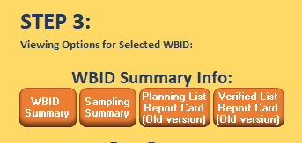
See "New Sampling Summary" button

