Areas
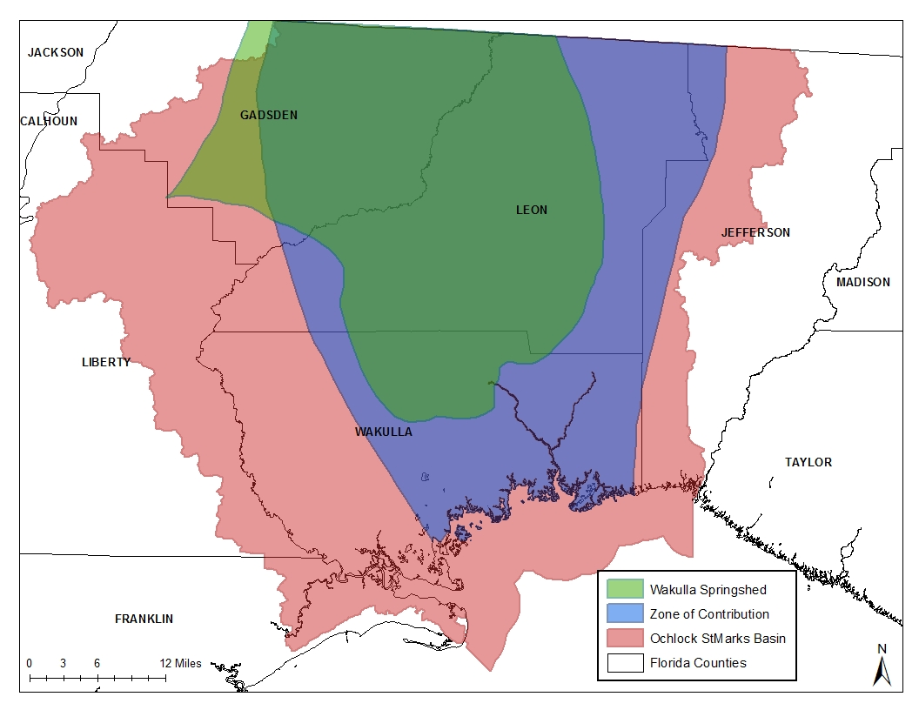
County | Total Area |  | Area in OSM |  | Area in Zone of Contribution |  | Area in Wakulla Springshed |  | Area in Unconfined Springshed |  | Area in Semiconfined Springshed |  | Area in Confined Springshed
 | sq meters | ha | sq meters | ha | sq meters | ha | sq meters | ha | sq meters | ha | sq meters | ha | sq meters | ha
Leon | 1817895860.4 | 181790 | 1817305806 | 181731 | 1712700007 | 171270 | 1124939737 | 112494 | 515614508 | 51561 | 565464234 | 56546 | 43860994 | 4386
Wakulla | 1580952201 | 158095 | 1580952024 | 158095 | 939230801 | 93923 | 252987670 | 25299 | 252987670 | 25299 | 0 | 0 | 0 | 0
Jefferson | 1584202798.5 | 158420 | 637217359 | 63722 | 173869619 | 17387
Gadsden | 1368568054 | 136857 | 1084795335 | 108480 | 740452675 | 74045 | 913144390 | 91314 | 0 | 0 | 85080885 | 8508 | 828063505 | 82806
Liberty | 2184382891.4 | 218438 | 806360141 | 80636
Franklin | 1386594767.5 | 138659 | 164212333 | 16421

Landuse
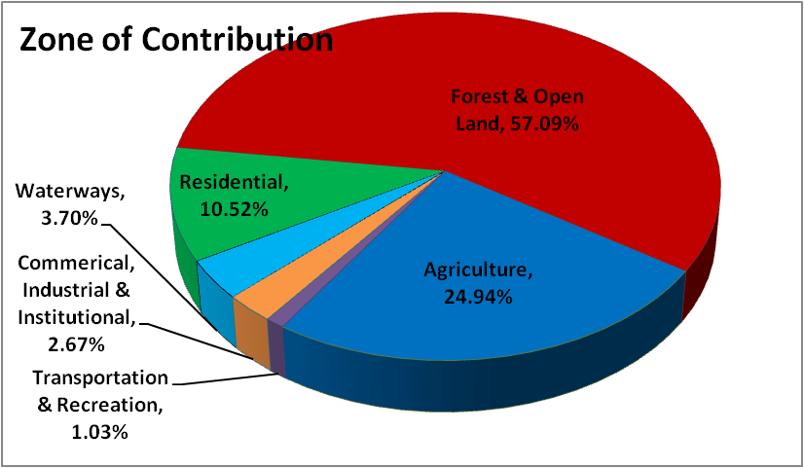
 |  |  |  |  |  |  |  |  |  | Land Type | Leon (ha) |  |  |  |  | Wakulla (ha) |  |  | Gadsden (ha)
 |  |  |  |  |  |  |  |  |  |  | County | Springshed | Unconfined | Semiconfined | Confined | County | Springshed | Unconfined | County | Springshed | Semiconfined | Confined
 |  |  |  |  |  |  |  |  | Livestock | 2110: Improved Pastures | 2246 | 956 | 135 | 775 | 46 | 649 | 290 | 290 | 3168 | 2352 | 44 | 2306
 |  |  |  |  |  |  |  |  |  | 2120: Unimproved Pastures | 196 | 111 | 4 | 107 |  | 23 | 5 | 5 | 1278 | 853 | 40 | 812
 |  |  |  |  |  |  |  |  |  | 2130: Woodland Pastures | 352 | 190 | 24 | 162 | 5 | 131 | 61 | 61 | 1454 | 1107 | 46 | 1060
 |  |  |  |  |  |  |  |  |  | 2310: Cattle Feeding Operations |  |  |  |  |  |  | 1 | 1 | 31
 |  |  |  |  |  |  |  |  |  | 2320: Poultry Feeding Operations |  |  |  |  |  |  |  |  | 10 | 10 |  | 10
 |  |  |  |  |  |  |  |  |  | 2500: Specialty Farms |  |  |  |  |  | 1 |  |  | 20 | 20 |  | 20
 |  |  |  |  |  |  |  |  |  | 2510: Horse Farms | 110 | 51 | 7 | 44 |  | 20 |  |  | 382 | 326 |  | 326
 |  |  |  |  |  |  |  |  |  | 2520: Dairies
 |  |  |  |  |  |  |  |  |  | 2540: Aquaculture |  |  |  |  |  | 1 | 1 | 1 | 12 | 4 |  | 4
 |  |  |  |  |  |  |  |  |  | Total | 2904 | 1309 | 170 | 1089 | 51 | 824 | 357 | 357 | 6354 | 4671 | 131 | 4538
 |  |  |  |  |  |  |  |  |  | Percentage of County Livestock land |  | 45% | 6% | 37% | 2% |  | 43% | 43% |  | 74% | 2% | 71%
 |  |  |  |  |  |  |  |  | Fertilizer | 2140: Row Crops | 27 | 19 | 1 | 19 |  | 17 |  |  | 495 | 294 | 2 | 290
 |  |  |  |  |  |  |  |  |  | 2150: Field Crops | 2587 | 511 | 14 | 438 | 58 | 166 | 44 | 44 | 884 | 688 | 14 | 674
 |  |  |  |  |  |  |  |  |  | 2153: Hay Fields | 669 | 340 | 51 | 289 | 0.30 | 592 | 133 | 133 | 5819 | 3587 | 150 | 3434
 |  |  |  |  |  |  |  |  |  | 2230: Other Groves (Pecan, Avocado, Coconut, Mango, etc) | 51 | 32 |  |  |  | 10 |  |  | 179 | 129 | 1 | 128
 |  |  |  |  |  |  |  |  |  | 2400: Nurseries and Vineyards | 17 | 17 | 6 | 11 |  | 3 |  |  | 24 | 19 |  | 19
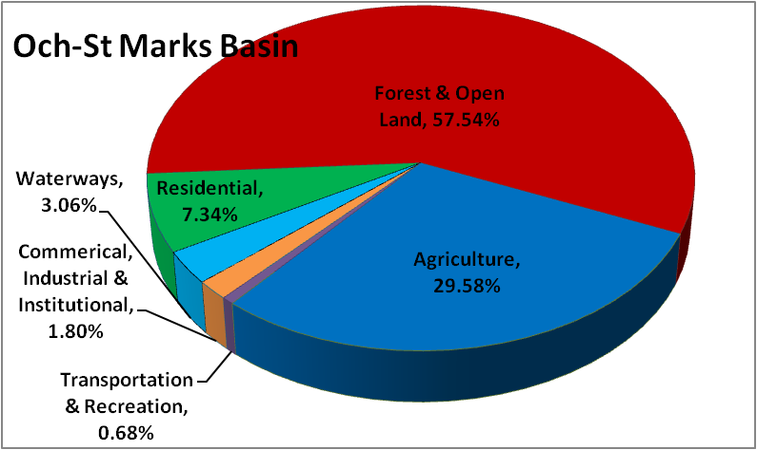
 |  |  |  |  |  |  |  |  |  | 2410: Tree Nurseries | 27 | 7 | 3 | 1 | 3 | 20 | 3 | 3 | 30 | 30 |  | 30
 |  |  |  |  |  |  |  |  |  | 2420: Sod Farms | 68 | 51 |  | 51 |  |  |  |  | 446 | 299 | 4 | 295
 |  |  |  |  |  |  |  |  |  | 2430: Ornamentals | 23 | 5 |  | 5 |  | 6 | 2 | 2 | 617 | 539 | 11 | 528
 |  |  |  |  |  |  |  |  |  | 4410: Coniferous Plantation | 26920 | 16607 | 12510 | 3538 | 560 | 31145 | 4606 | 4606 | 32986 | 20477 | 1934 | 18532
 |  |  |  |  |  |  |  |  |  | Total excluding coniferous Plantation | 30390 | 17588 | 12584 | 4352 | 621 | 31961 | 4788 | 4788 | 41480 | 26063 | 2117 | 23930
 |  |  |  |  |  |  |  |  |  | Percentage of County Fertilized land |  | 58% | 41% | 14% | 2% |  | 15% | 15% |  | 63% | 5% | 58%

 |  |  |  |  |  |  |  |  | Total Amount of Farmland in Landuse (ha) w/o Coniferous Plantations |  | 6374 |  |  |  |  | 1640 |  |  | 14848
 |  |  |  |  |  |  |  |  | Total Amount of Farmland in Landuse (ha) w/ Coniferous Plantations |  | 33294 |  |  |  |  | 32785 |  |  | 47835
 |  |  |  |  |  |  |  |  | Total Amount Reported in Census(ha) |  | 36718 |  |  |  |  | 11468 |  |  | 19057

 | County | Area of Residential lands (ha) |  | 1110 | 1120 | 1130 | 1210 | 1220 | 1230 | 1310 | 1320 | 1330 | 1340 | 1350
 | Franklin | 2745 |  | 3306966.4103 | 552559.99923 | 2317884.9967 | 4466805.0347 | 0 | 8786316.4689 | 3342475.2097 | 12218.255681 | 292922.00254 | 33585.467563 | 4333702.4529
 | Gadsden | 8245 |  | 14492482.204 | 7332647.0779 | 18844266.409 | 8038248.6645 | 2025255.0735 | 19206775.492 | 4063208.1564 | 1563189.9364 | 619290.85201 | 0 | 6261840.73
 | Jefferson | 1444 |  | 4576361.1998 | 1060800.8276 | 7410071.8676 | 98034.64442 | 124591.31456 | 1168231.6453 | 0 | 0 | 0 | 0 | 0.00
 | Leon | 25802 |  | 75830404.014 | 10527544.533 | 41057912.817 | 89368634.753 | 6220306.182 | 9993969.671 | 10845993.143 | 1357384.4519 | 12700016.341 | 101927.9063 | 14805.72
 | Liberty | 2065 |  | 2987455.4601 | 1267168.7319 | 9151206.3065 | 108535.38653 | 146837.42101 | 6782502.74 |  | 36297.76084 |  | 0 | 168011.30
 | Wakulla | 8076 |  | 19938872.708 | 9763701.1698 | 28913602.552 | 9213595.8282 | 3696686.0394 | 7804959.9183 | 604119.09024 | 32154.07219 | 272547.69824 | 0 | 524671.05
 |  |  | Percentage |  |  |  |  |  |  |  |  |  | 0.00 | 0
Springshed | Gadsden | 6939 | 84.2% | 11640073.055 | 11617910.776 | 12675536.858 | 7216130.7183 | 1681535.1643 | 13892459.728 | 3848265.3198 | 1442677.5439 | 538095.32298 | 0 | 4838867.8214
 | Leon | 20600 | 79.8% | 52354354.562 | 6632532.5676 | 22166646.18 | 87037724.686 | 5541894.5501 | 7585868.554 | 10509811.564 | 1351972.5379 | 12700016.341 | 101927.9063 | 14805.716937
 | Wakulla | 2918 | 36.1% | 8374843.3547 | 4389604.7857 | 14357238.23 | 1392546.4436 | 253216.50688 | 394380.75327 | 8358.645422 |  | 14545.464214 | 0 | 0
 | Percentage of total |  |  | 66% | 82% | 55% | 90% | 63% | 59% | 93% | 95% | 98% | 100% | 71%
 |  |  |  |  |  |  |  |  |  |  |  |  | 0.00 | 0

