Sheet1
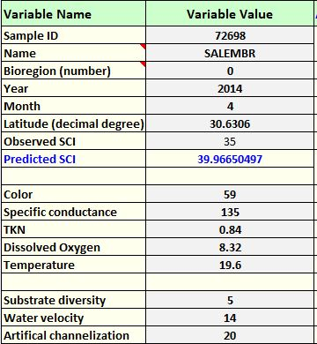
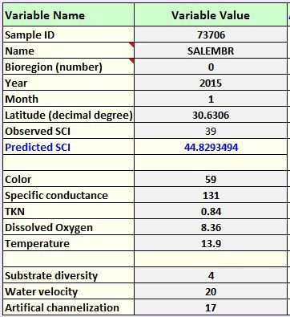
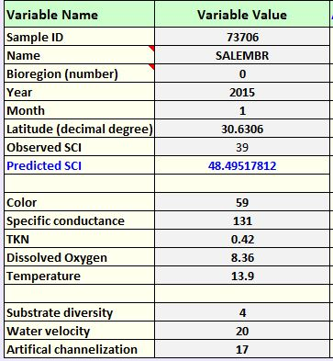
SITE INFORMATION |  |  | DESCRIPTION:
WATERBODY |  | Salem Branch | WBID is verified for DO (and fecals). Small watershed but large enough given it's Highlands. It could be that there is only a small base flow and when the water level increases, samplers may be sampling previously dry habitats. The organisms are mostly tolerant of low DO. If you enter a DO value of even 5 into the SID model, the predicted SCI is 35 and matches the observed for one of the dates. Headwaters are near Coastal Lumber on Hwy 27.
WBID |  | 480
STORET |  | NW2014005
NICKNAME |  | Salembr
LIMS EVENT ID |  |  | FINDINGS:
BIOREGION |  | Panhandle East | The high nutrients coupled with low flow volume during typical conditions is likely stressing the community to the point of failure.
LATITUDE |  | 30.6306
LONGITUDE |  | -84.4318 | RECOMMENDATIONS:
WATERSHED COMPONENTS |  |  | Ensure BMPs are in place to intercept the high nutrients coming off the nursuries and crops in the immediate watershed. Sample lower in the watershed to ensure more consistent flow or above sod farms to see if site passes in the absence of this stressor.
SITE LDI (100m buffer) |  | 2.28
WATERSHED LDI
DRAINAGE AREA (sq mi) |  | 1.7 sq. miles | Nursuries very close to station - likely source of high NOx and chla. See images below.
STREAM ORDER |  | 1
NEAREST GAGE |  | Salem Branch | 10 readings from 1980. Removed highest and lowest, cfs=1.0 = very low flow volume
WATER SOURCE (Kiefer) |  | Highlands |  |  |  | https://waterdata.usgs.gov/nwis/inventory/?site_no=303753084255400
SAMPLE INFORMATION (average of 2 reps)
 | SAMPLE 1 | SAMPLE 2 | A 2004 sample scored 19=Poor. sampled ~ 1km downstream of recent samples. Worms, midges, and tolerant gastropods. |  |  |  |  |  |  |  | The values during the dates of sampling produce scores similar to the observed scores. A slight reduction in DO even above 5mg/L produces observed scores and given that the site is listed for low DO, this is probably a frequent occurence. The elevated TKN seems to be the primary stressor. If it is reduced by 50% the scores increase by another 5 points. Reducing this source of stress may allow the system to handle temporary DO sags.
SAMPLE DATE | 2014-04-01 | 2015-01-06
VISIT ID | 72698 | 73706
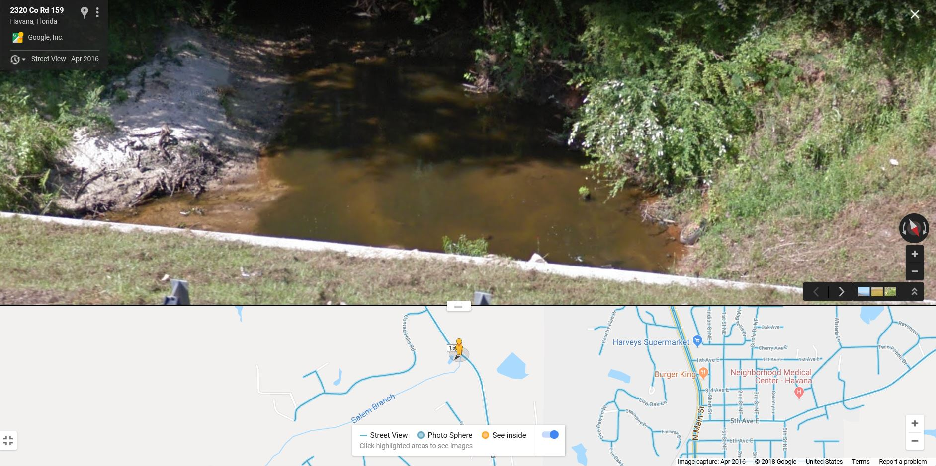
SCI SCORE | 35 | 39
% DOMINANT TAXON | 24 | 20
DOMINANT TAXON (NAME) | Rheotanytarsus/Physa | Thienemannimyia | Mostly midges and snails and other tolerant taxa.
# LONG-LIVED | 1 | 1
# SENSITIVE | 2 | 1 |  | USGS gaging data
WATER CHEMISTRY |  |  |  | 9 | 1981-04-14 -- -- | USGS | 0.52 | Good | MEAS
COLOR | 59 | 59 |  | 8 | 1981-03-12 -- -- | USGS | 1.67 | Good | MEAS
SP COND | 135 | 131 |  | 6 | 1981-01-21 -- -- | USGS | 1.51 | Good | MEAS
TKN | 0.84 | 0.84 |  | 5 | 1980-12-01 -- -- | USGS | 1.59 | Good | MEAS
DISSOLVED OXYGEN (MG/L) | 8.32 | 8.36 |  | 4 | 1980-11-12 -- -- | USGS | 0.93 | Good | MEAS
DISSOLVED OXYGEN (%) |  |  |  | 2 | 1980-09-26 -- -- | USGS | 0.42 | Good | MEAS
TEMP | 19.6 | 13.9 |  | 1 | 1980-07-08 -- -- | USGS | 0.35
PH | 7.11 | 6.63 |  |  |  | average cfs | 0.99857142857
NITRATE | 2.7 | 2.7 |  | 7 | 1981-02-11 -- -- | USGS | 34.5 | Poor | MEAS | removed
CHL-A | 9.1 | 9.1 |  | 3 | 1980-10-15 -- -- | USGS | 0.09 | Fair | MEAS | removed
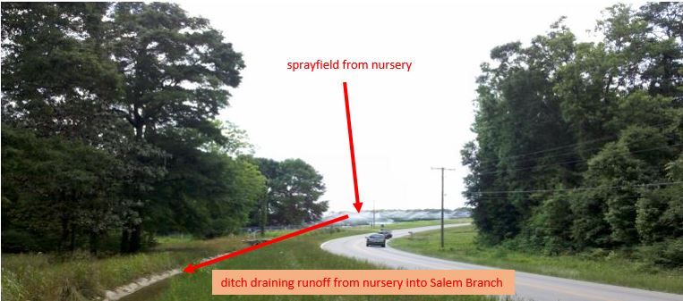
HABITAT COMPONENTS
SUBSTRATE DIVERSITY | 5 | 4
SUBSTRATE AVAILABILITY | 6 | 7
WATER VELOCITY | 14 | 20
SMOTHERING | 16 | 11
CHANNELIZATION | 20 | 17
BANK STABILITY | 8 | 11
AVG. BUFFER WIDTH | 20 | 17
BUFFER QUALITY | 20 | 15
TOTAL HA SCORE | 109 | 102
STRESSOR MODEL OUTPUT
Actual SCI | 35 | 39
Expected SCI - Sampling Date | 46 | 43

