Sheet1
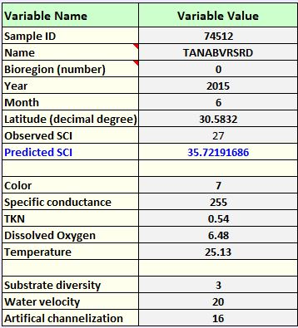
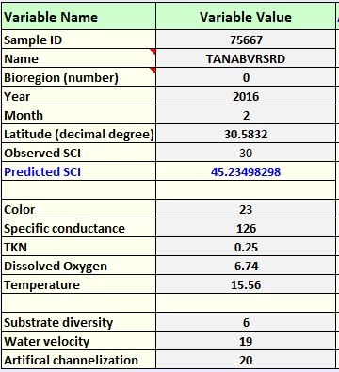
SITE INFORMATION |  |  |  | DESCRIPTION:
WATERBODY |  | Tanyard Branch |  | Listed for DO w/no cauative pollutant. IWR WBID History photos show vast differences in water levels and size of system from about 1.5 m wide to 5+m wide and nearly dry, out of banks, stagnant and just right. Investigated perenniality and appropriateness at time of sampling.
WBID |  | 595
STORET |  | G1WA0005
NICKNAME |  | TANABVRSRD
LIMS EVENT ID RQ-2016-02-22-66 |  | RQ-2015-06-22-29 |  | FINDINGS:
BIOREGION |  | Panhandle East |  | Based on drainage area, extreme changes in size, lack of long-lived taxa, and lack of habitat (except aquatic veg), site is at the lower end of being appropriate for SCI sampling. Sampling at just the right time will be challenging. System is a Higlands site so there is almost always base flow but this may not be enough for adequte wetted habitat for a passing SCI. Lowering the sp. cond to the what was measured on 2/23/16 also allows the site to pass.
LATITUDE |  | 30.5832
LONGITUDE |  | -84.5519
WATERSHED COMPONENTS
SITE LDI (100m buffer) |  | 1.9 | Seems low | RECOMMENDATIONS:
WATERSHED LDI |  | - |  | Deploy water level loggers to test for changes in stream height to confirm low flow rates. In addition, employ BMPs to reduce stormwater runoff and lower conductivity. Background values for conductivity were below 100 based on historical USGS records.
DRAINAGE AREA (sq mi) |  | 2.2 | on the small end of highland sites
STREAM ORDER |  | 1 | All sized highlands streams in NW FL are likely perennial; use caution sampling sites with drainage areas <5 sq. mile due to low flow volume and potential for insufficient habitat.
NEAREST GAGE |  | 1.2 mi dwnstrm | https://waterdata.usgs.gov/nwis/inventory/?site_no=02329548 |  | inactive (1974-1981) | avg disch 6 cfs; hgt 1 ft; spcond 97
WATER SOURCE (Kiefer) |  | Highlands | >90% B soils |  |  |  | A reduction of water velocity to 11 results in an SCI of 27; in other words, if the site experiences these same conditions with less velocity, it would explain the observed failing score. But, since we can't guarantee a constant optimal velocity, we should look at things that can be controlled, like sp. cond. If you lower the sp. cond to the 126 umhos/cm that was measured on 2/16 the site will pass. See below. | An increase in temperature and a reduction in velocity (summer-like conditions) or an increase in temperature and a reduction in diversity (as seen in 6/2015) would result in observed score.
SAMPLE INFORMATION (average of 2 reps)
 | SAMPLE 1 | SAMPLE 2
SAMPLE DATE | 2015-06-30 | 2016-02-23
VISIT ID | 74512 | 75667
SCI SCORE | 27 | 30
% DOMINANT TAXON | 50 | 16
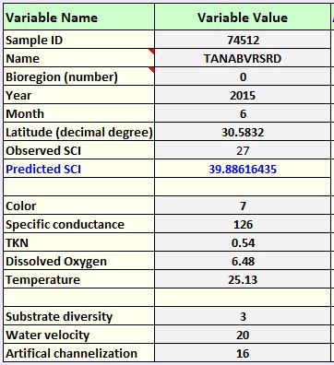
DOMINANT TAXON (NAME) | Hyalella azteca | H. azteca/Cricotopus
# LONG-LIVED | 1 | 0
# SENSITIVE | 1 | 5
WATER CHEMISTRY
COLOR | 7.1 | 23
SP COND | 255 | 126
TKN | 0.54 | 0.25 | Needed for Stressor ID model. Declines in SCI assoc with >0.38.
DISSOLVED OXYGEN (MG/L) | 6.48 | 6.74
DISSOLVED OXYGEN (%) | 98.7
TEMP | 25.13 | 15.56
PH | 6.9 | 6.76
NITRATE | 0.56 | 0.15 | Springs Threshold 0.35 mg/L
CHL-A | 2.6 | 2.9
HABITAT COMPONENTS
SUBSTRATE DIVERSITY | 3 | 6
SUBSTRATE AVAILABILITY | 14 | 4
WATER VELOCITY | 20 | 19
SMOTHERING | 7 | 2
CHANNELIZATION | 16 | 20
BANK STABILITY | 10 | 10
AVG. BUFFER WIDTH | 10 | 10
BUFFER QUALITY | 6 | 9
TOTAL HA SCORE | 112 | 109
STRESSOR MODEL OUTPUT
Actual SCI | 27 | 30 | There was one SCI_1992 from 4/28/04 = 19
Expected SCI - Avg Ver. Period | 44 | 45 | color=37; spc=181;tkn=0.38;do=6.25;temp=19.21
Expected SCI - Sampling Date | 36 | 45 | color=7.1; spc=255;tkn=0.54;do=6.48;do(%)=98.7;temp=25.13;pH=6.69;NOx=0.56;chla=2.6

